1. Title Page
Data Analysis

Project Name: Supermarket Data Sweep
Date: November 19, 2021
Analyst Name: Saher Aziz

Contents:
Population Flow
Consistency checks
Wrangling steps
Column derivations
Visualizations
Recommendations

2. Population Flow
 |  |  | Title page

Population flow

Exclusion flag
Condition: max_order < 5
Obervations to be removed: nan
Final total count of order_products_all: 32641268

Orders_products_combined
Orders_products_merged
Orders_products_all

Total:
Total:
Total:
32434489 | 32404859 | 32641268

1.) The grey boxes in the first row of the population flow represent the original data sets as they were when you downloaded them. In the Total fields you need to add the count of the rows when you imported the data set into Jupyter.
2.) The second row of boxes (coloured) represents the data sets after you manipulated them, e.g., removed missing values and duplicates. In the Total fields you need to add the count of the rows after conducting these operations. This offers a visual oveview of how the data flows throughout the data consistency checks.
3.) The third row, where also the arrows are coloured, represents the merges you performed between the datasets. In the Total fields you need to add the count of the rows in the merged datasets, so that you end up with the final dataset (in the red box). Keep in mind the final dataset should be without exclusions (based on the exclusion flag).

3. Consistency checks
 |  |  |  | Title page
Consistency checks

Dataset | Missing values | Missing values treatment | Duplicates
orders | 206209 ['days_since_prior_order'] | Did not remove missing values
products | 16 ['Product_name'] | Removed Missing values | Removed 5 duplicate values
orders_products_prior | nan | nan | nan
customers | nan | Deleted First_name Column | nan

4. Wrangling steps
 |  |  |  | Title page
Wrangling steps

Columns dropped | Columns renamed | Columns' type changed | Comment/Reason
first_name |  |  | not needed for data
aisle_id |  |  | not needed for data
eval_set |  |  | not needed for data
reordered |  |  | not needed for data
add_to_cart_order |  |  | not needed for data
 | first_name |  | for consistency
 | surname |  | for consistency
 | gender |  | for consistency
 | state |  | for consistency
 | age |  | for consistency
 |  | frequency to unit16 | memory saving
 |  | spending flag to category | memory saving
 |  | spending as float16 | memory saving
 |  | max_order as int16 | memory saving
 |  | Busiest day as category | memory saving

5. Column derivations
 |  |  |  | Title page

Column derivations and aggregations

In this tab you should add tables below that the frequences of flags/label variables that you produced after deriving them. NB: don't do this for continuous variables, only for flags.
Dataset | New column | Column/s it was derived from | Conditions
orders_products_merged | busiest_days | orders_day_of_week | defined least, regular, and busiest days based on orders_day_of_week
orders_products_merged | loyalty_flag | max_order | defined customer loyalty based on number of orders customer has placed
orders_products_merged | spending_flag | spending | defined low or high spender based on their spending habits
orders_products_merged | frequency_flag | days_since_prior_order | defined customer frequency based on how often they shopped
all_merged | Generation | age | Created to group customers together based on their generation
all_merged | income_range | income | Created to group customers together based on their income
all_merged | parental_status | n_dependents | Created to group customers based on if they had any children
all_merged | Region | state | Created to group customers based on the region they lived in

6. Visualizations
 |  |  |  |  |  |  |  | Title page

Visualisations

In this tab you should include all the visualtions from Exercises 4.9 and 4.10, alongside the questions from the project brief that they answer. Include any commentary on the relationship between different variables.

Key Questions
1. For Marketing: What are the busiest days of the week? What are the busiest hours of the day?

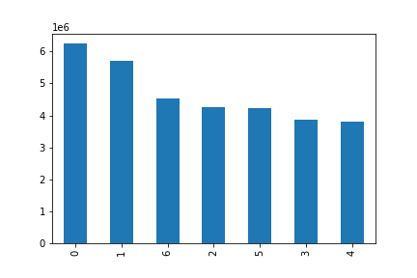

 |  |  |  |  |  | This bar chart shows that Saturday is the busiest day with 0 being Saturday. According to the Project brief the week starts on a Saturday hence, it is the busiest day.

 |  |  | order_day_of_week


 |  |  |  |  |  | This histogram shows the busiest hours of the day when orders are made. Based on it the busiest hour is at 10AM-4PM.

 |  |  | order_hour_of_day

 |  | 2. For Marketing: Are there certain times of day when people spend the most money?

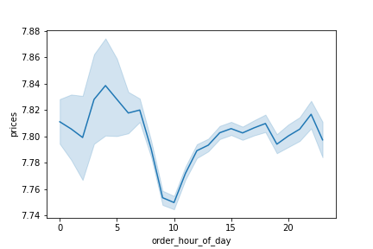

 |  |  |  |  |  | This line chart shows the spending prices during the day. It seems to be during the early times of the day.

 | 3. Instacart has a lot of products with different price tags. Marketing and Sales want to use simpler price range groupings to help direct their efforts.

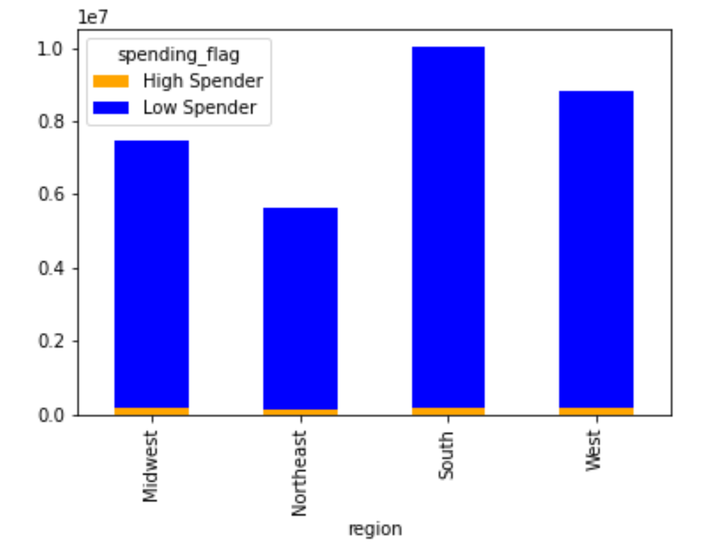

 |  |  |  |  |  |  | By using the high spender, low spender frequencies, we can utilize the price ranges to see what fits best for the prices.

 |  | 4. Are there certain types of products that are more popular than others?
 |  | The marketing and sales teams want to know which departments have the highest frequency of product orders.
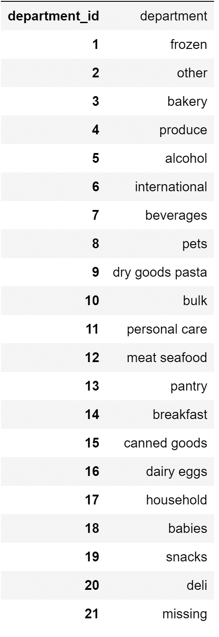

 |  |  |  |  |  |  | Porduce has the most sales so far as per the legend and chart on the left.
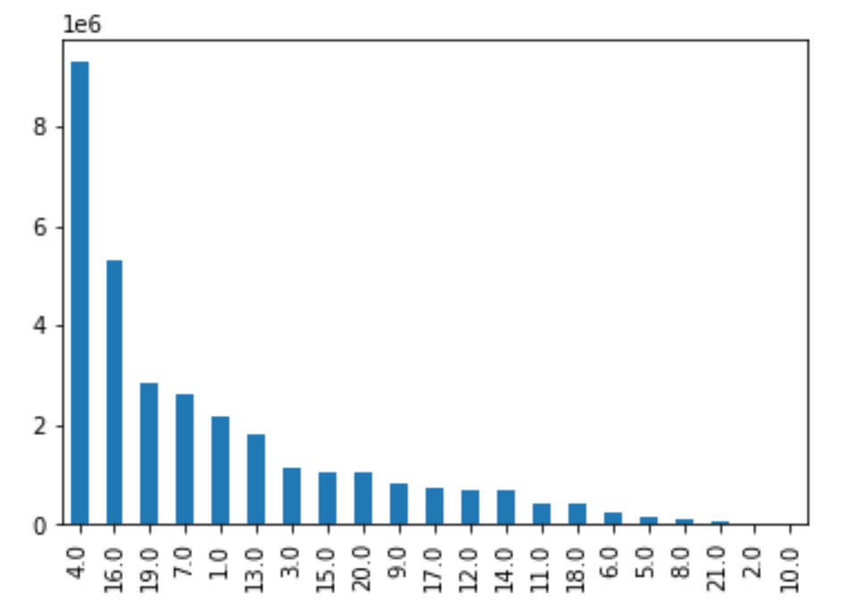

 | 5. How do ordering behaviors differ among customers in different demographics?
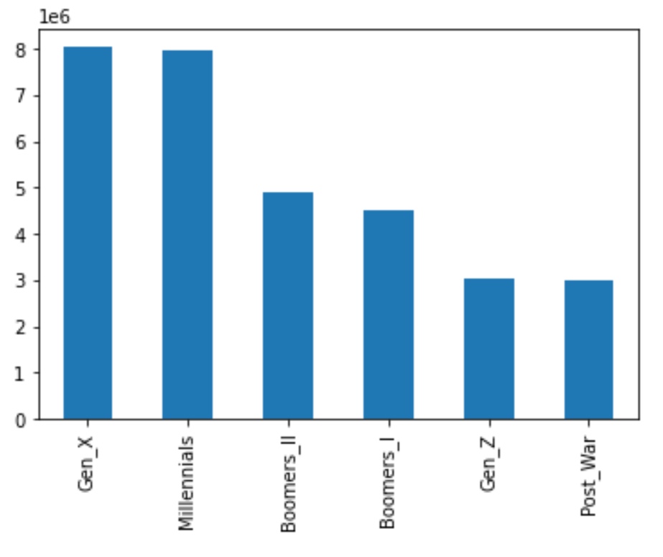

 |  |  |  | Based on the given bar chart, Gen_X and Millenials make up the most demographics in terms of cusatomers for the app.

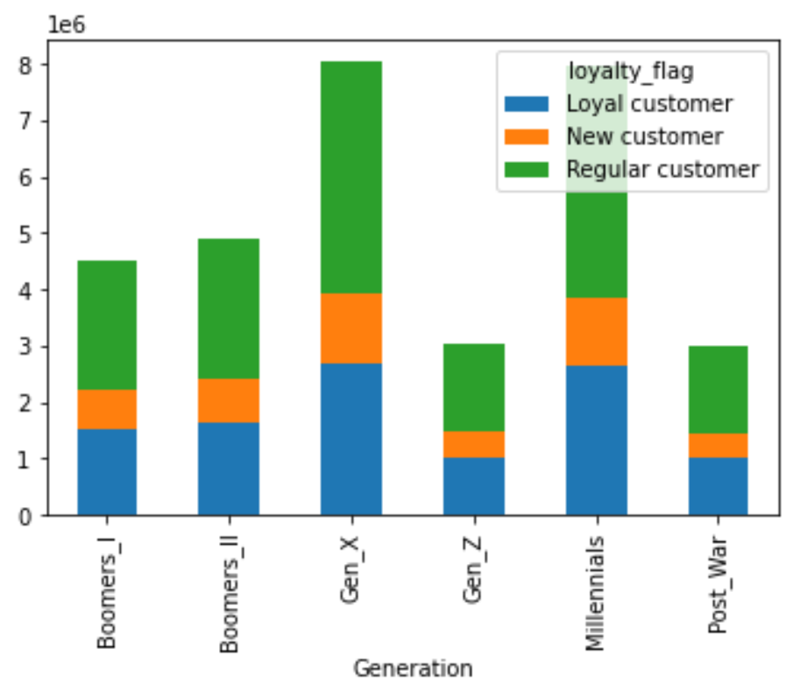
 |  |  |  |  | Loyalty is defined as: Less than 10 orders = New Customer Between 10 and 40 orders = Regular Customer More than 40 orders = Frequent Customer This stacked bar chart shows that there is an almost equal loyalty between Millennials and Gen X. Both groups have a majority mix between regular and loyal.

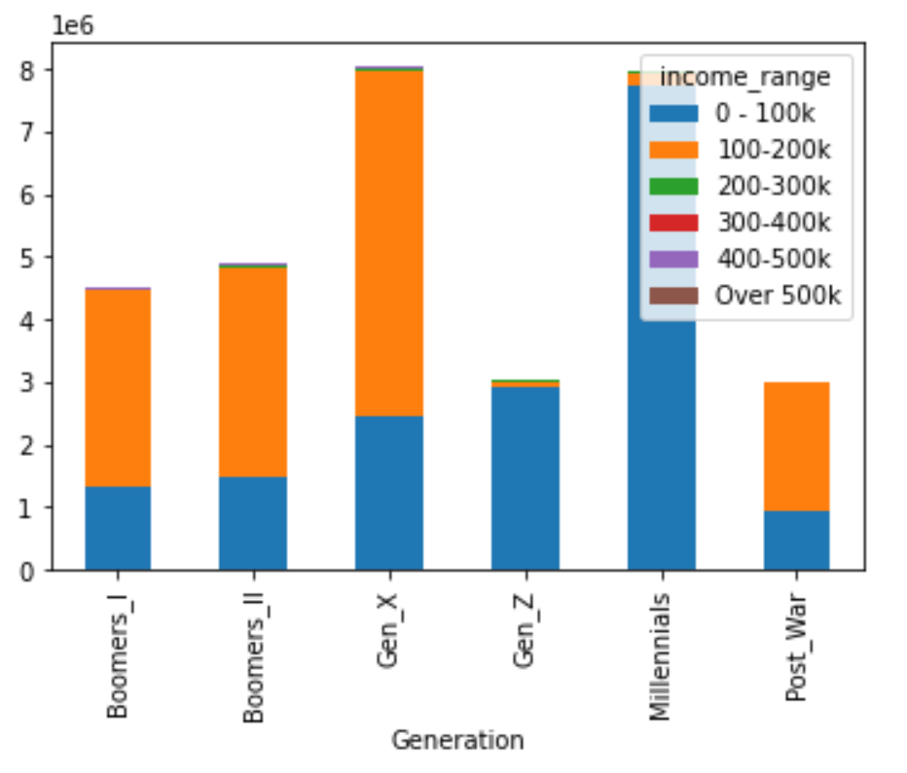

 |  |  |  |  | There is an even distribution of income between Millenials and Gen_X but Gen_X holds the highest amount of income.

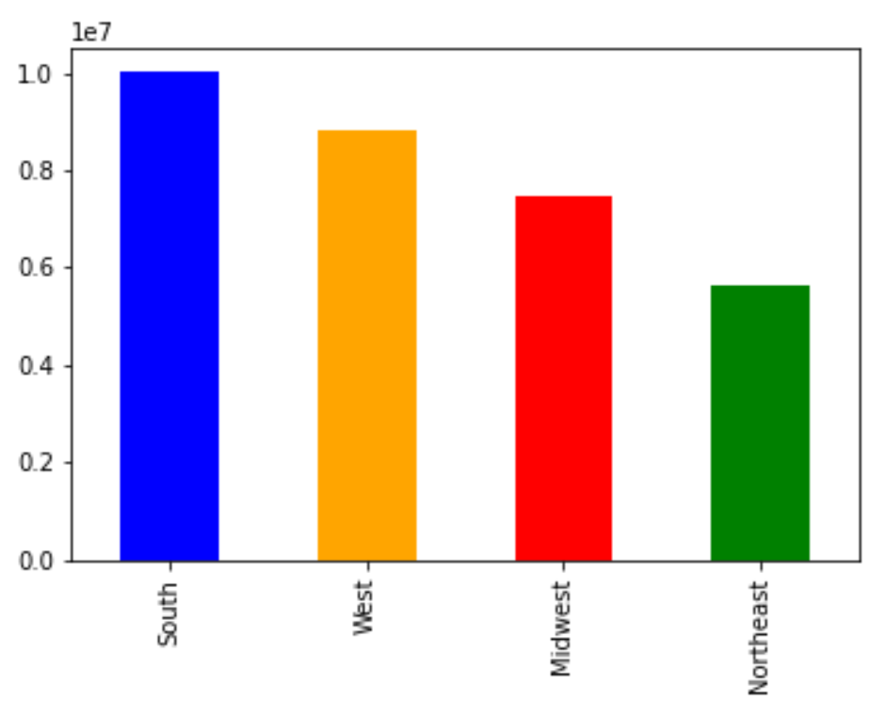

 |  |  |  |  | Majority of the customers are located in the southern region of the United States.

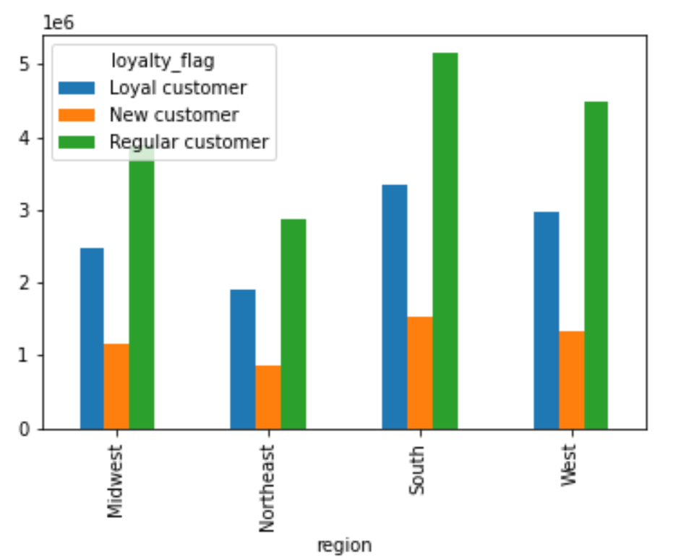

 |  |  |  |  | By region, the South holds the most regular customers and loyal customers.

7. Recommendations
 |  |  |  |  |  | Title page

Recommendations

In this tab you should include any recommendations you would made to Instcart in terms of their marketing strategy based on the questions posed in the brief. Every key question has been covered in the Tasks of the Exercises - here you need to add an item - a visualisation or table/crosstable that is showing the answer in the data, acompanied by a comment from you. Please, list the questions below and add the answer underneath.

Question |  |  |  | Answer
1 | What are the busiest days of the week and busiest hours of the day? |  |  | The Busiest day of the week is Saturday and the busiest hours is from 10AM-4PM.
2 | What time of day do people spend the most money? |  |  | Most people spend the most money around the early hours of the morning.
3 | Can the pricing system be simplier? How? |  |  | The pricing can be simpler by utilizing the high-spender, low spender situation and utilzing the demographics to ensure that the apending can be made simpler
4 | Which departments have the higest frequency of orders? |  |  | The produce department has the highest frequency of orders.
5 | What is the distribution of customers who use instacart most often? |  |  | Based on generational conduct, Gen_X and Millenials hold the highest usage for instacart.
6 | Is there a connection between age and family status in terms of ordering habits? |  |  | There is no correlation between age and family status. The ordering habits are utilized by all age groups.

What are the busiest days of the week and busiest hours of the day?

 |  |  |  | The Busiest day of the week is Saturday and the busiest hours is from 10AM-4PM. This means that the focus should be on the days that have the busiest times which is on the weekends.

 |  | order_day_of_week

 |  | order_hour_of_day

What time of day do people spend the most money?

 |  |  |  | Most people spend the most money around the early hours of the morning.

Can the pricing system be simplier? How?

 |  |  |  | The pricing can be simpler by utilizing the high-spender, low spender situation and utilzing the demographics to ensure that the spending can be made simpler.

 |  |  |  | By using this data set, we can move our focus to the high-spenders which has an even distribution across and figure out ways to increase that margin so that there is an increase.

 |  |  |  | A recommendation can be by focusing on instacart's sales during holidays and utilize that to increase spending during that time.

Which departments have the higest frequency of orders?

 |  |  |  |  | The produce department has the highest frequency of orders.

What is the distribution of customers who use instacart most often?

 |  |  | Based on generational conduct, Gen_X and Millenials hold the highest usage for instacart. They also make up the highest generation for loyalty.

 |  |  | Bottom line is, the customers are mainly Gen_X and Millenials, the focus should be on them as the frequent the app the most. So, products and sales should be more geared towards their interests.

Is there a connection between age and family status in terms of ordering habits?

Generation and Purchases per Day
 | Boomers_I | Boomers_II | Gen_X | Gen_Z | Millennials | Post_War
0 | 855480 | 931531 | 1530724 | 575819 | 1536273 | 581649
1 | 775125 | 853488 | 1399589 | 530420 | 1404754 | 521553
2 | 587671 | 635377 | 1055290 | 391996 | 1028415 | 385703
3 | 537649 | 583760 | 950524 | 357391 | 942214 | 355813
4 | 523753 | 572573 | 939747 | 353427 | 938520 | 348665
5 | 588192 | 629774 | 1049946 | 397195 | 1032607 | 390123
6 | 628401 | 676578 | 1120569 | 414473 | 1092383 | 422998
 |  |  |  | There is no correlation between age and family status. The ordering habits are utilized by all age groups.

